MK Purchase Intent and Price
Back to Index
The revenue maximazing price is $17.5 with a cumulative purchase intent of 19.6%
Purchase Intent vs. Expected Price
Count of likelihood you will buy the product? | At the price you just indicated, what is the likelihood you will buy the product? |  |  |  |  |  |  | Pasted Data
How much would you pay for a pack of two travel liquid containers? | Definitely Not Buy | Probably Not Buy | Not Sure | Probably Buy | Definitely Buy | Grand Total |  | Prob Buy | Def Buy
$15-$19.99 | 4 | 29 | 28 | 39 | 6 | 106 |  | 39 | 6
$20-$24.99 |  | 1 | 11 | 15 | 3 | 30 |  | 15 | 3
$25-$29.99 |  |  | 1 | 8 | 4 | 13 |  | 8 | 4
$30-$34.99 |  |  |  | 2 |  | 2 |  | 2 | 0
Grand Total | 4 | 30 | 40 | 64 | 13 | 151 | Total | 64 | 13

 |  |  |  |  |  |  | 0.0009%
 |  |  |  |  | Sample | 151
 |  |  |  |  | Population | 17,000,000

Price | Adjusted PB | Adjusted DB | PB * .3 | DB * .8 | Sum Across | Cumulative PI | Quantity | Revenue | Cummulative PB | Cummulative DB
$17.50 | 25.83% | 3.97% | 7.75% | 3.18% | 10.93% | 19.60% | 3,332,450 | $58,317,881 | 12.72% | 6.89%
$22.50 | 9.93% | 1.99% | 2.98% | 1.59% | 4.57% | 8.68% | 1,474,834 | $33,183,775
$27.50 | 5.30% | 2.65% | 1.59% | 2.12% | 3.71% | 4.11% | 698,013 | $19,195,364
$32.50 | 1.32% | 0.00% | 0.40% | 0.00% | 0.40% | 0.40% | 67,550 | $2,195,364

 |  |  |  |  |  |  |  |  |  | Marginal Cost Assumption | 1.2
Demand Curve Instructions
Price | Cumulative PI |  |  |  |  |  |  | RM Price | Cumulative PI | Total Revenue | Variable Cost | Max Profit (Excluding Fixed Costs)
$17.50 | 19.60% |  |  |  |  |  |  | 17.5 | 17.59% | $52,330,250
$22.50 | 8.68%
$27.50 | 4.11%
$32.50 | 0.40%

Adjusted PI @ Man. Selling Price (including CSR lift)
Year 1 | Year 2 | Year 3 | Year 4 | Year 5
25.58% | 25.58% | 26.27% | 27.23% | 27.93%

Segmentation Tree Variable Pivot Tables

Sustainable Material

Wants sustainable materials
Would your purchase intent change if the travel liquid container was made of sustainable materials? | Definitely Not Buy | % | Probably Not buy | % | Not Sure | % | Probably Buy | % | Definitely Buy | % | Total | %
Not change |  |  | 2 | 6.67% | 2 | 5% | 16 | 25% | 6 | 46.15% | 38 | 25.17%
Slightly more inclined to buy |  |  | 8 | 26.67% | 19 | 47.50% | 25 | 39.06% | 1 | 7.69% | 65 | 43.05%
Significantly more inclined to buy | 4 | 100% | 20 | 66.67% | 19 | 47.50% | 23 | 35.94% | 6 | 46.15% | 48 | 31.79%
Grand Total | 4 | 100% | 30 | 100% | 40 | 100% | 64 | 100% | 13 | 100% | 151 | 100%

Frequency of Travel

Without 6+ times travel
 | Definitely Not Buy |  | Probably Not Buy |  | Not Sure |  | Probably Buy |  | Definitely Buy |  | Total Count | Total % of Total
How much would you pay for a pack of two travel liquid containers? | Count | % of Total | Count | % of Total | Count | % of Total | Count | % of Total | Count | % of Total
$15-$19.99 | 6 | 75% | 12 | 75% | 13 | 76.47% | 38 | 64.41% | 6 | 60% | 75 | 68.18%
$20-$24.99 | 2 | 25% | 3 | 18.75% | 1 | 5.88% | 17 | 28.81% | 2 | 20% | 25 | 22.73%
$25-$29.99 |  | 0% | 1 | 6.25% | 2 | 11.76% | 3 | 5.08% | 2 | 20% | 8 | 7.27%
$30-$34.99 |  | 0% |  | 0% | 1 | 5.88% | 1 | 1.69% |  | 0% | 2 | 1.82%
Grand Total | 8 | 100% | 16 | 100% | 17 | 100% | 59 | 100% | 10 | 100% | 110 | 100%

Without 6+ and <2 times travel
 | Definitely Not Buy |  | Probably Not Buy |  | Not Sure |  | Probably Buy |  | Definitely Buy |  | Total Count | Total % of Total
How much would you pay for a pack of two travel liquid containers? | Count | % of Total | Count | % of Total | Count | % of Total | Count | % of Total | Count | % of Total
$15-$19.99 | 5 | 71.43% | 6 | 66.67% | 5 | 71.43% | 27 | 64.29% | 6 | 66.67% | 49 | 66.22%
$20-$24.99 | 2 | 28.57% | 2 | 22.22% |  | 0% | 13 | 30.95% | 2 | 22.22% | 19 | 25.68%
$25-$29.99 |  | 0% | 1 | 11.11% | 1 | 14.29% | 2 | 4.76% | 1 | 11.11% | 5 | 6.76%
$30-$34.99 |  | 0% |  | 0% | 1 | 14.29% |  | 0% |  | 0% | 1 | 1.35%
Grand Total | 7 | 100% | 9 | 100% | 7 | 100% | 42 | 100% | 9 | 100% | 74 | 100%

Age

Without age 55+
 | Definitely Not Buy |  | Probably Not Buy |  | Not Sure |  | Probably Buy |  | Definitely Buy |  | Total Count | % Total
How much would you pay for a pack of two travel liquid containers?
$15-$19.99 | 4 | 66.67% | 10 | 71.43% | 13 | 81.25% | 38 | 60.32% | 9 | 64.29% | 74 | 65.49%
$20-$24.99 | 2 | 33.33% | 4 | 28.57% | 1 | 6.25% | 19 | 30.16% | 1 | 7.14% | 27 | 23.89%
$25-$29.99 |  | 0% |  | 0% | 2 | 12.50% | 5 | 7.94% | 4 | 28.57% | 11 | 9.73%
$30-$34.99 |  | 0% |  | 0% |  | 0% | 1 | 1.59% |  | 0% | 1 | 0.88%
Grand Total | 6 | 100% | 14 | 100% | 16 | 100% | 63 | 100% | 14 | 100% | 113 | 100%

OM Capacity Analysis Y1-Y5
Back to Index
Because of our high CapEx start-up costs, we believe that greater purchases in equipment would not be necessary, and thus, increased our laborers to optimize efficiency
Capacity Analysis
Year 1 |  |  |  |  |  | Year 2 |  |  |  |  |  | Year 3 |  |  |  |  |  | Year 4 |  |  |  |  |  | Year 5
Workstation | Tasks | Work Station Time | Preceding Work Station | Worker Number | Capital Utilization | Workstation | Tasks | Work Station Time | Preceding Work Station | Worker Number | Capital Utilization | Workstation | Tasks | Work Station Time | Preceding Work Station | Worker Number | Capital Utilization | Workstation | Tasks | Work Station Time | Preceding Work Station | Worker Number | Capital Utilization | Workstation | Tasks | Work Station Time | Preceding Work Station | Worker Number | Capital Utilization
1 | A | 0.50 | N/A | 1 | 43.48% | 1 | A | 0.50 | N/A | 1 | 85.71% | 1 | A | 0.25 | N/A | 2 | 57.14% | 1 | A | 0.25 | N/A | 2 | 71.43% | 1 | A | 0.25 | N/A | 2 | 96.15%
2 | B | 1.15 | 1 | 1 | 100.00% | 2 | B | 0.58 | 1 | 2 | 98.57% | 2 | B | 0.38 | 1 | 3 | 87.62% | 2 | B | 0.29 | 1 | 4 | 82.14% | 2 | B | 0.23 | 1 | 5 | 88.46%
3 | C | 1.00 | 1 | 1 | 86.96% | 3 | C | 0.50 | 1 | 2 | 85.71% | 3 | C | 0.33 | 1 | 3 | 76.19% | 3 | C | 0.33 | 1 | 3 | 95.24% | 3 | C | 0.25 | 1 | 4 | 96.15%
4 | D + E + F | 0.88 | 2 | 2 | 76.09% | 4 | D + E + F | 0.58 | 2 | 3 | 100% | 4 | D + E + F | 0.44 | 2 | 4 | 100% | 4 | D + E + F | 0.35 | 2 | 5 | 100% | 4 | D + E + F | 0.25 | 2 | 7 | 96.15%
5 | G + H + I | 1.04 | 3 | 2 | 90.43% | 5 | G + H + I | 0.52 | 3 | 4 | 89.14% | 5 | G + H + I | 0.42 | 3 | 5 | 95.09% | 5 | G + H + I | 0.35 | 3 | 6 | 99.05% | 5 | G + H + I | 0.26 | 3 | 8 | 100%
6 | J | 0.75 | 4 or 5 | 2 | 65.22% | 6 | J | 0.50 | 4 or 5 | 3 | 85.71% | 6 | J | 0.38 | 4 or 5 | 4 | 85.71% | 6 | J | 0.30 | 4 or 5 | 5 | 85.71% | 6 | J | 0.25 | 4 or 5 | 6 | 96.15%
7 | K | 0.17 | 6 | 1 | 14.78% | 7 | K | 0.17 | 6 | 1 | 29.14% | 7 | K | 0.17 | 6 | 1 | 38.86% | 7 | K | 0.17 | 6 | 1 | 48.57% | 7 | K | 0.17 | 6 | 1 | 65.38%
Total machines to meet current year's demand |  |  |  |  |  | Total machines to meet current year's demand |  |  |  |  |  | Total machines to meet current year's demand |  |  |  |  |  | Total machines to meet current year's demand |  |  |  |  |  | Total machines to meet current year's demand
7 |  |  |  |  |  | 7 |  |  |  |  |  | 7 |  |  |  |  |  | 7 |  |  |  |  |  | 7

Capacity Analysis | Year 1 | Year 2 | Year 3 | Year 4 | Year 5
Throughput Time(in minutes) | 5.48 | 3.35 | 2.37 | 2.04 | 1.66
Takt Time(in minutes) | 1.25 | 0.61 | 0.45 | 0.35 | 0.29
Cycle Time(in minutes) | 1.15 | 0.58 | 0.44 | 0.35 | 0.26
Capacity Utilization(Whole) | 92.25% | 96.25% | 97.05% | 99.06% | 90.87%
Capacity in Units | 108,522 | 213,943 | 285,257 | 356,571 | 480,000

Direct Labor | Year 1 | Year 2 | Year 3 | Year 4 | Year 5
Assembly Line workers | 6 | 10 | 13 | 16 | 21
Packaging workers | 2 | 2 | 3 | 3 | 3
Impact workers | 1 | 2 | 3 | 4 | 5
Laser workers | 1 | 2 | 3 | 3 | 4
Total Workers | 10 | 16 | 22 | 26 | 33

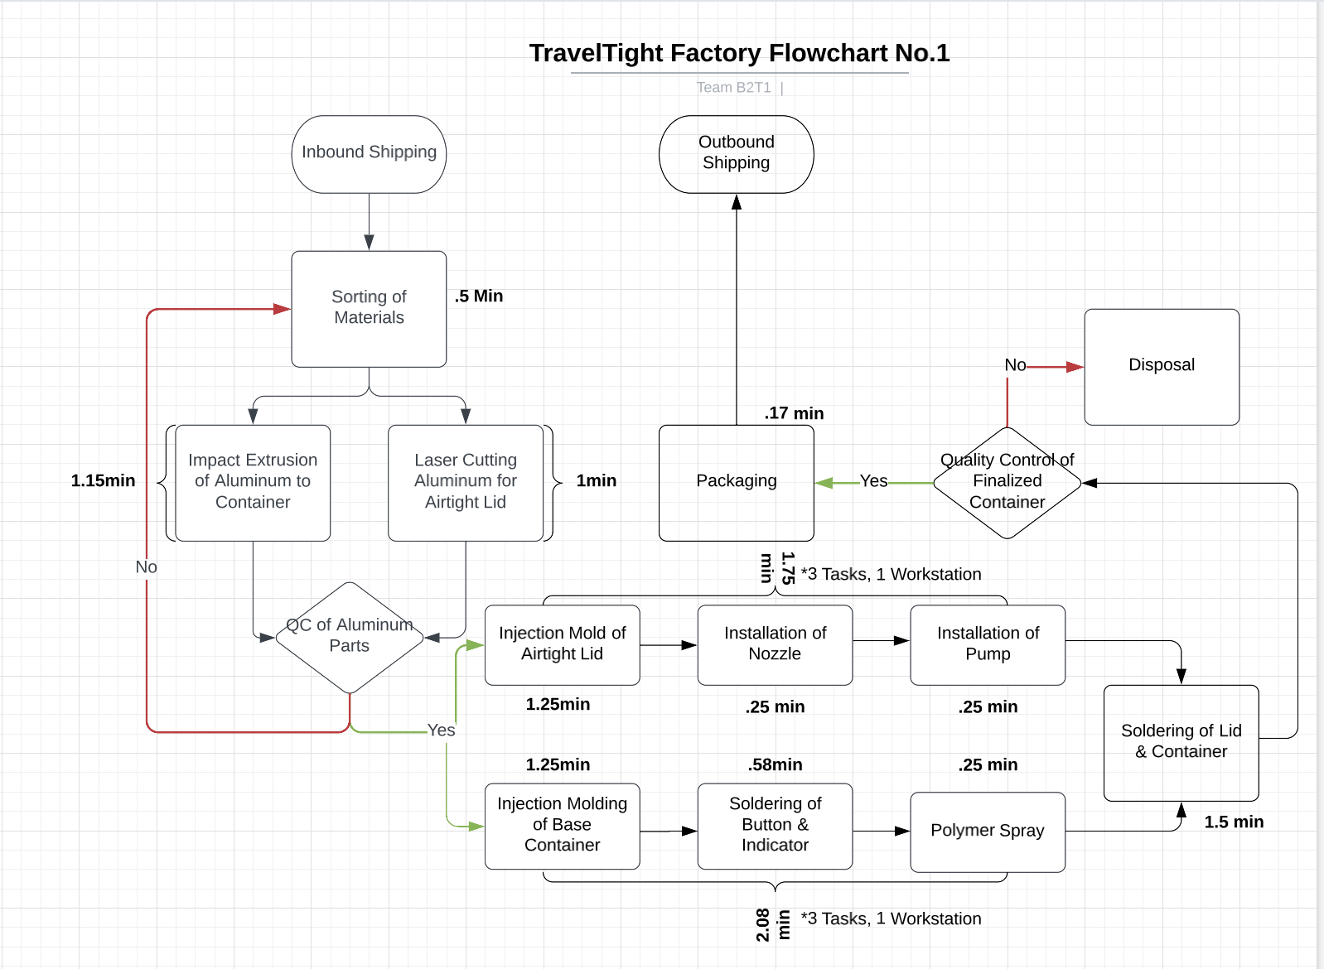
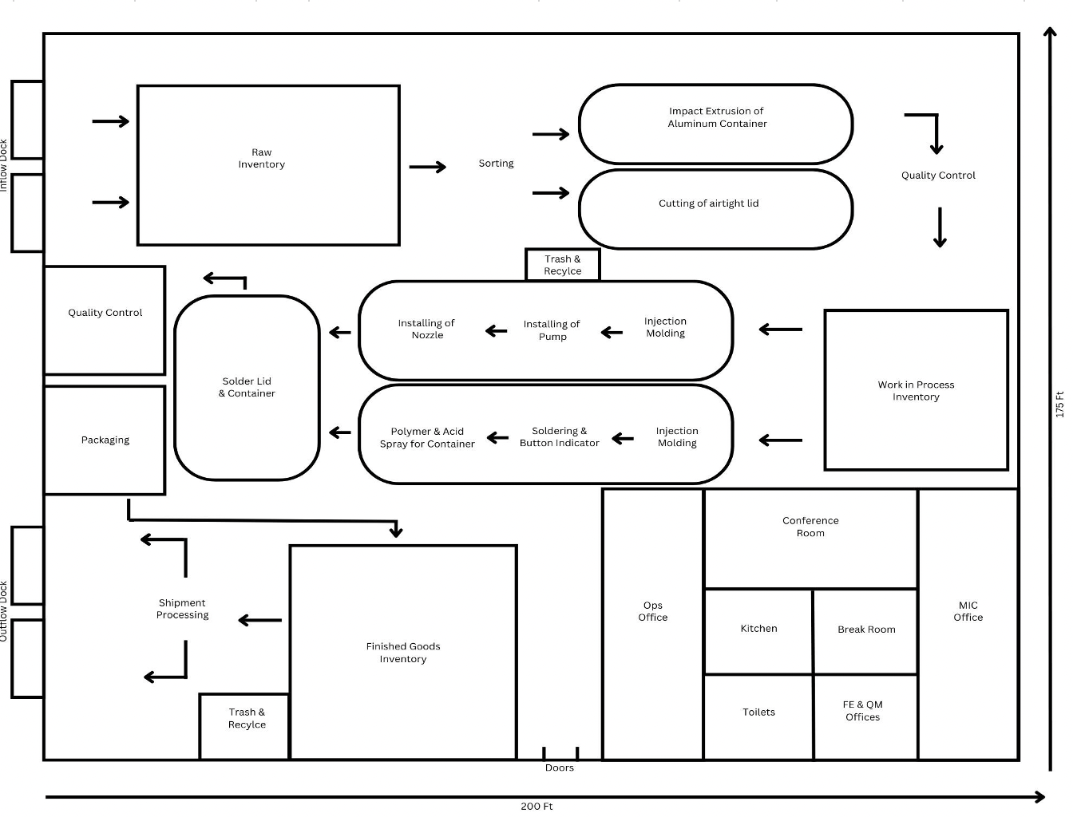
 |  |  |  |  |  |  |  |  |  |  |  |  |  |  |  |  |  |  |  |  |  |  | Process Analysis Diagram

QM Conjoint Analysis
Back to Index | Conjoint Analysis: We runned the clustering based on the partworths “size” and “reusability”, which have the highest standard deviations. For the partworth “reusability”, we focused on emphasizing the leak proof aspect of TravelTight bottles for the creatives. We showed this functionality throughout the social media, billboard ads and slogan. For the partworth “size”, we decided to set the product size TSA approved (3.4 oz) and sell the product in a pack of two.

 |  | High Price | Low Price | Size | Durability | Resuability
 | Mean | -0.05 | 0.13 | -0.08 | -0.25 | 2.32
 | Std Dev | 0.83 | 0.93 | 1.49 | 0.69 | 1.36
 | Min | -1.47 | -2.25 | -2.7 | -2.1 | -1.27
 | Max | 1.7 | 1.75 | 3.6 | 1.27 | 5.23
 | Range of Importance | 3.17 | 4 | 6.3 | 3.37 | 6.5
 | Sum of Importance | 13.58% | 17.14% | 26.99% | 14.44% | 27.85%
 | Sum of range | 23.34

 |  | Data Mining: K-Means Clustering - Predicted Clusters

 |  | Output Navigator
 |  | Cluster Labels |  | Inputs |  | Cluster Centers |  | Inter-Cluster Distances | Cluster Summary

 |  | Cluster Labels

 |  |  | Record ID | Cluster | Dist.Cluster-1 | Dist.Cluster-2 | size | reusability
 |  |  | Record 1 | 1.881607 | 2.497785872 | 1.120182934 | 1.759709 | 2.431783
 |  |  | Record 2 | 1.908668 | 2.525300824 | 1.059848802 | 1.841432 | 2.266667
 |  |  | Record 5 | 1.935729 | 2.552815777 | 0.999514669 | 1.923155 | 3.666667
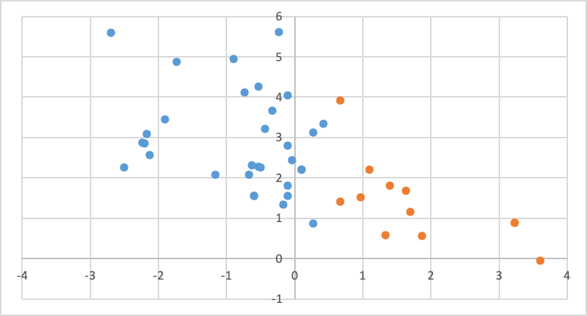
 |  |  | Record 7 | 1.962791 | 2.580330729 | 0.939180537 | 2.004878 | 1.55
 |  |  | Record 8 | 1.989852 | 2.607845682 | 0.878846405 | 2.086602 | 5.6
 |  |  | Record 11 | 2.016913 | 2.635360635 | 0.818512272 | 2.168325 | 3.083333
 |  |  | Record 12 | 2.043975 | 2.662875587 | 0.75817814 | 2.250048 | 1.333333
 |  |  | Record 13 | 2.071036 | 2.69039054 | 0.697844007 | 2.331771 | 3.45
 |  |  | Record 14 | 2.098097 | 2.717905493 | 0.637509875 | 2.413494 | 4.95
 |  |  | Record 15 | 2.125159 | 2.745420445 | 0.577175742 | 2.495217 | 2.25
 |  |  | Record 17 | 2.15222 | 2.772935398 | 0.51684161 | 2.576941 | 2.866667
 |  |  | Record 20 | 2.179281 | 2.800450351 | 0.456507477 | 2.658664 | 4.266667
 |  |  | Record 21 | 2.206342 | 2.827965303 | 0.396173345 | 2.740387 | 2.083333
 |  |  | Record 22 | 2.233404 | 2.855480256 | 0.335839213 | 2.82211 | 1.55
 |  |  | Record 23 | 2.260465 | 2.882995208 | 0.27550508 | 2.903833 | 4.05
 |  |  | Record 25 | 2.287526 | 2.910510161 | 0.215170948 | 2.985556 | 5.616667
 |  |  | Record 26 | 2.314588 | 2.938025114 | 0.154836815 | 3.06728 | 4.866667
 |  |  | Record 27 | 2.341649 | 2.965540066 | 0.094502683 | 3.149003 | 2.316667
 |  |  | Record 30 | 2.36871 | 2.993055019 | 0.03416855 | 3.230726 | 1.8
 |  |  | Record 32 | 2.395772 | 3.020569972 | -0.026165582 | 3.312449 | 2.25
 |  |  | Record 33 | 2.422833 | 3.048084924 | -0.086499714 | 3.394172 | 1.55
 |  |  | Record 34 | 2.449894 | 3.075599877 | -0.146833847 | 3.475895 | 2.85
 |  |  | Record 36 | 2.476956 | 3.10311483 | -0.207167979 | 3.557619 | 0.866667
 |  |  | Record 38 | 2.504017 | 3.130629782 | -0.267502112 | 3.639342 | 3.216667
 |  |  | Record 39 | 2.531078 | 3.158144735 | -0.327836244 | 3.721065 | 2.083333
 |  |  | Record 40 | 2.55814 | 3.185659687 | -0.388170377 | 3.802788 | 4.116667
 |  |  | Record 41 | 2.585201 | 3.21317464 | -0.448504509 | 3.884511 | 3.116667
 |  |  | Record 42 | 2.612262 | 3.240689593 | -0.508838641 | 3.966234 | 3.337677
 |  |  | Record 43 | 2.639323 | 3.268204545 | -0.569172774 | 4.047958 | 2.2
 |  |  | Record 44 | 2.666385 | 3.295719498 | -0.629506906 | 4.129681 | 2.566667
 |  |  | Record 45 | 2.693446 | 3.323234451 | -0.689841039 | 4.211404 | 2.2
 |  |  | Record 46 | 2.720507 | 3.350749403 | -0.750175171 | 4.293127 | 2.8
 |  |  | Record 3 | 2.747569 | 3.378264356 | -0.810509304 | 4.37485 | 2.2
 |  |  | Record 4 | 2.77463 | 3.405779309 | -0.870843436 | 4.456573 | 1.416667
 |  |  | Record 6 | 2.801691 | 3.433294261 | -0.931177568 | 4.538297 | -0.05
 |  |  | Record 9 | 2.828753 | 3.460809214 | -0.991511701 | 4.62002 | 1.516667
 |  |  | Record 10 | 2.855814 | 3.488324166 | -1.051845833 | 4.701743 | 1.15
 |  |  | Record 16 | 2.882875 | 3.515839119 | -1.112179966 | 4.783466 | 1.8
 |  |  | Record 18 | 2.909937 | 3.543354072 | -1.172514098 | 4.865189 | 0.566667
 |  |  | Record 19 | 2.936998 | 3.570869024 | -1.232848231 | 4.946912 | 0.583333
 |  |  | Record 24 | 2.964059 | 3.598383977 | -1.293182363 | 5.028636 | 1.683333
 |  |  | Record 28 | 2.991121 | 3.62589893 | -1.353516495 | 5.110359 | 0.883333
 |  |  | Record 29 | 3.018182 | 3.653413882 | -1.413850628 | 5.192082 | 0.883333
 |  |  | Record 31 | 3.045243 | 3.680928835 | -1.47418476 | 5.273805 | 3.916667
 |  |  | Record 29 | 3.018182 | 3.653413882 | -1.413850628 | 5.192082 | 0.883333
 |  |  | Record 31 | 3.045243 | 3.680928835 | -1.47418476 | 5.273805 | 3.916667

QM Simulation Summary Stats
Enter here ↓ which Simulation number to RUN |  | Back to Index
0 | Base Case | Go to Parameters for Simulations
Average | $184,567 | Go to RUN Simulations
Tornado Chart
 | Var@5% | 95 percentile
Segment Size | -$55,518 | $917,827
Floor Worker Hourly Wage | -$35,221 | $248,575
Median | $184,567
Standard Deviation | $0
VaR@5% | $184,567
95th percentile | $184,567
%NPV < 0 | 0.0%

Copied and pasted as values:
 | pasted values | pasted values | pasted values | pasted values
 | Segment Size | Floor Worker Hourly Wage | All Variables | All Variables
Average | $386,450 | $121,461 | $318,765 | $374,168
Median | $359,059 | $134,045 | $294,516 | $283,304
Standard Deviation | $293,394 | $86,789 | $203,681 | $1,305,113
VaR@5% | -$55,518 | -$35,221 | $22,781 | -$1,634,781
95th percentile | $917,827 | $248,575 | $694,928 | $2,698,541
%NPV < 0 | 9.0% | 10.6% | 3.00% | 41.1%

Data for Tornado Chart | Segment Size | Floor Worker Hourly Wage
VaR@5% | -$55,518 | -$35,221
95th percentile | $917,827 | $248,575

